Foreign Currency
Foreign Currency Transactions - Converting to $CDN

The University will allow for 3 methods of converting foreign currencies into $CDN on Travel Advance and Settlement claims. Per the Guidelines for Travel Expenses:
1. The transaction is paid by credit card and the credit card statement indicates the cost, the transaction currency and the converted cost or exchange rate. The claiming submits a copy of the credit card statement as proof of the exchange rate claimed. The claimant should obliterate any personal information on the credit card statement.
2. The traveller converted money and submits the receipt for the currency conversion that indicates the date, currency, amount and exchange rate. The fee, if any, for conversion is an eligible expense.
3. Calculate the Canadian equivalent of travel expenses denominated in a foreign currency using the Oanda website. The website provides for the conversion of most currencies by a specific date or range of dates. The Claimant may select the conversion at up to "typical credit card rate +2" and claim on this basis. *** Note that Oanda typical credit card rate is +3% ***

*** The following are examples intended to guide you through your own claims when dealing with foreign currency transactions. They are not intended to cover all possible situations, rather be used as an aid when preparing your own travel expense claim.
If you require assistance with your travel claim, please contact the Financial Officer.

Example 1: Paid by Credit Card
Assume a Claimant attended a conference in Anaheim, California and went to a dinner pertaining to University business. The Claimant obtains the following detailed meal receipt and credit card payment receipt:

 | Detailed Meal Receipt |  |  |  | Proof of Payment - Credit Card Purchase
 | Roscoe's House |  |  |  | Roscoe's House
 | of Chicken'N |  |  |  | of Chicken'N
 | Waffles |  |  |  | Waffles

 | 2110 S Harbor Blvd |  |  |  | 2110 S Harbor Blvd
 | Anaheim CA 92802 |  |  |  | Anaheim CA 92802

 | REG 11-12-2016 21:19 |  |  |  | Date: | 12-Nov-16
 | C01 | MC#01 | O6 |  | Card Type: | MASTERCARD
 |  |  |  |  | Acc't#: | XXXXXXXXX1234
 |  |  |  |  | Card Entry: | SWIPED
 | Budweiser | TX1 | $7.00 |  | Trans Type: | PURCHASE
 |  |  |  |  | Trans Key: | JIJ000240588178
 | Waffle Combo1 | TX1 | $15.00 |  | Auth Code: | 06664S
 |  |  |  |  | Check: | C01
 |  |  |  |  | Table: | O6
 |  |  |  |  | Server: | Bob
 |  | Subtotal | $22.00
 |  | Tax | $1.98 |  | Subtotal: |  | $23.98
 |  | TL | $23.98
 |  |  |  |  | Tip: |  | $3.60

 |  |  |  |  | Total: |  | $27.58

 |  |  |  |  | I agree to pay the above
 |  |  |  |  | according to my card issuer
 |  |  |  |  | agreement.
 |  |  |  |  | ******Customer Copy******

 | Exhibit A |  |  |  | Exhibit B

For your travel claim, you must provide a detailed list of the transactions(Exhibit A) and proof of payment (Exhibit B).
Now you need to convert this USD purchase into $CDN. In this example, assume the Claimant received his/her credit card statement as follows:

RBC Mastercard Details |  |  |  |  |  |  | Nov 14, 2016 Statement
Cardholder Name: |  | Claimant |  |  |  |  |  | You can blank out all personal details and non-claim related expenses
Credit Limit: |  | XXXXXX
Available Credit: |  | XXXXXX
Statement Balance: |  | XXXXXX
Minimum Payment: |  | $10.00
Card No.: |  | XXXXXXXXX1234

Trans Date | Posting Date | Description |  |  |  |  | Amount
14-Oct-16 | 17-Oct-16 | XXXXXXXXXXXXXXXXXXXXXXXX |  |  |  |  | XXXX
28-Oct-16 | 29-Oct-16 | XXXXXXXXXXXXXXXXXXXXXXXX |  |  |  |  | XXXX
12-Nov-16 | 13-Nov-16 | Roscoe's House of Chicken N Waffles |  |  |  |  | $36.69
 |  | $27.58 | USD @ | 1.3305

 |  |  |  |  |  | Total Balance | XXXX

Assuming that the alcohol purchases were allowed under the expense code, you could then use the $36.69 CDN amount on your travel claim because
you can prove what you spent the money on, you can prove you paid for it, and also you can prove the $CDN equivalent that the purchase cost.

However, what would you claim if alcohol was NOT permitted?
Certain grants do not permit for the reimbursement of alcohol purchases. In these situations, alcohol purchases cannot be claimed and must be removed from the claim.
Following Exhibits A & B again, you would need to remove the alcohol purchase ($7.00 Budweiser) and calculate the appropriate tax and tip on your expense claim:

 | New subtotal | $15.00 | (Exclude the Budweiser purchase from the original receipt)
Add: | Pro-rated Tax | $1.35 | ($1.98/$22.00 x $15.00) |  |  | (This is a simplified example; some areas have different tax rates for food/alcohol. If alcohol tax is listed separately on the bill, remove that tax from the revised subtotal then calculate pro-rated tip)
 | New Total | $16.35
Add: | Pro-rated tip | $2.45 | ($3.60/$23.98 x $16.35)
 | New Total | $18.80

 | Conversion | 1.3305 | from Credit Card Statement
 | Equivalent $CDN | $25.02

If alcohol were not permitted, in this case, the Claimant could claim $25.02 CDN.

Example 2: Paid by Cash - Converted Currency Receipt
Assume that prior to the trip, the Claimant went to the bank and exchanged $500 CDN into $US and used cash to purchase his/her meal at Roscoe's.

 | Detailed Meal Receipt (same as above)
 | Roscoe's House
 | of Chicken'N
 | Waffles

 | 2110 S Harbor Blvd
 | Anaheim CA 92802

 | REG 11-12-2016 21:19
 | C01 | MC#01 | O6

 | Budweiser | TX1 | $7.00

 | Waffle Combo1 | TX1 | $15.00

 |  | Subtotal | $22.00
 |  | Tax | $1.98
 |  | TL | $23.98

 |  | Cash | $25.00
 |  | Change | $1.02

 | (Handwritten note:)
 | Tip $3.60, total spent $27.58

In many cases, cash transactions do not include a tip line, so in this case, assume the Claimant hand wrote on their receipt that they tipped $3.60 on the $23.98 purchase, so they were out of pocket $27.58 (the same as the credit card example).

In this situation, the Claimant had converted $500 CDN to $US prior to travelling. In this situation, they can submit their receipt for the currency conversion. Assume, they received the following receipt from the bank:
 | RBC - Royal Bank of Canada
 | Branch | 123 Anywhere Street
 |  | Waterloo, ON

 | Date: | 8-Nov-16
 | Time: | 15:07:00
 | Ref#: | 123456789

 | To: | Customer Cash USD |  | $375.00
 |  | $500.00 CDN @ 0.75

 | From: | Acc't 9876-12XXXXX89 |  | $500.00
 |  | Withdrawal
 |  | Claimant

 | Thank you for banking with RBC

Assuming the alcohol purchase was permissable, the Claimant would supply the copy of the detailed meal purchase and a copy of the RBC Transaction. The amount claimed would then be:

 | $27.58 | USD x $500.00 / $375.00 = |  |  | $36.77 | CDN
 | (meal amount) x | ($CDN / $US from bank transaction)

Example 3: Use Oanda website
Now assume the Claimant made the same meal purchase at Roscoe's and paid either by cash, debit or credit card. The Claimant could then go to the Oanda website and convert his/her USD purchase into $CDN:

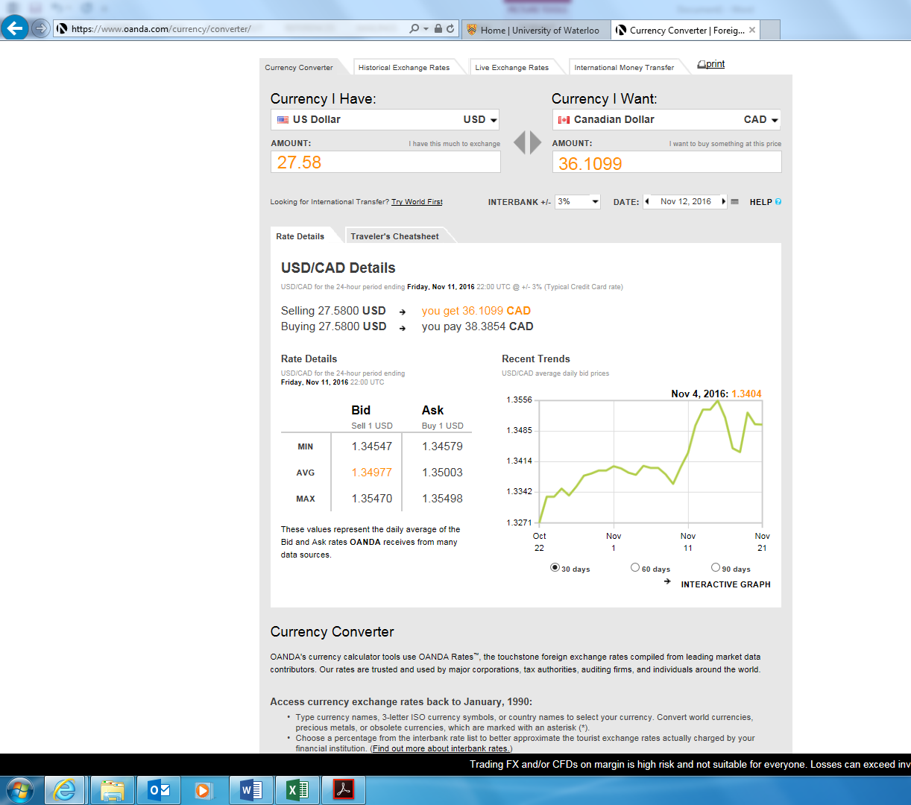

 |  |  |  |  |  |  |  |  | Note the Currency I have is USD
 |  |  |  |  |  |  |  |  | The currency I want is $CDN

 |  |  |  |  |  |  |  |  | The amount in USD is the $27.58 (based on the Roscoe's purchase amount)

 |  |  |  |  |  |  |  |  | The Interbank rate has been set to +3% (Typical Credit Card Rate)
 |  |  |  |  |  |  |  |  | The date has been changed to the date of the purchase at Roscoe's

Based on Oanda, how much should the Claimant claim?

The answer is $38.59

But why doesn't the Claimant claim $36.1099 ($36.11) that the webiste puts in big bold yellow writing?

The answer is because in order to have purchased the meal in USD, the Claimant would have had to have "purchased" $27.58 USD from $CDN, which Oanda says would have been $38.3854 on that particular date.

Thus, the Claimant could claim $38.39 CDN on their expense claim.

